Stock Dies
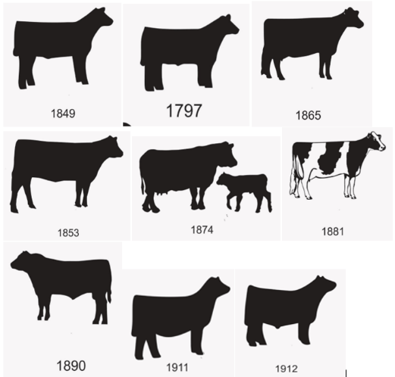
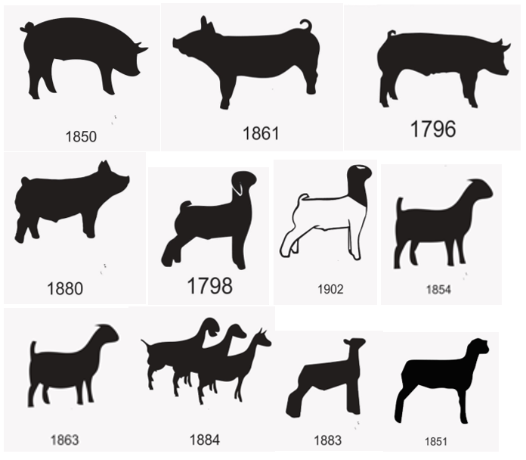
Stock Banner Dies | Common Rosette Dies | STATE SEALS
1805 4-H CLOVER | 301 4-H CLOVER (OUTLINED) | 1 (ss of alaska)
1806 4-H/ FFA | 302 4-H CLOVER (FILLED IN) | 2 (ss of alabama)
1839 FFA | 312 4-H/ FFA | 3 (ss of arkansas)
1853 HEIFER | 314 FFA | 4 (ss of arizona)
1890 BULL |  | 5 (ss of california)
452 BULL |  | 6 (ss of colorado)
1849 STEER |  | 7 (ss of connecticut)
1739 COW |  | 8 (ss of florida)
1797 COW |  | 9 (ss of delaware)
1911 HEIFER |  | 10 (ss of georgia)
1912 STEER |  | 11 (ss of idaho)
1874 COW/ CALF |  | 12 (ss of illinois)
1865 DAIRY COW |  | 13 (ss of indiania)
1881 HOLSTEIN COW |  | 14 (ss of iowa)
1864 HORSE |  | 15 (ss of kansas)
1875 HORSE |  | 16 (ss of kentucky)
1796 PIG |  | 17 (ss of louisiana)
1850 PIG |  | 18 (ss of maine)
1861 PIG |  | 19 (ss of massachusetts)
1880 PIG |  | 20 (ss of minnesota)
1868 CHICKEN |  | 21 (ss of mississippi)
1867 RABBIT |  | 22 (ss of missouri)
1798 GOAT |  | 23 (ss of montana)
1902 GOAT |  | 24 (ss of nebraska)
1854 GOAT |  | 25 (ss of new hampshire)
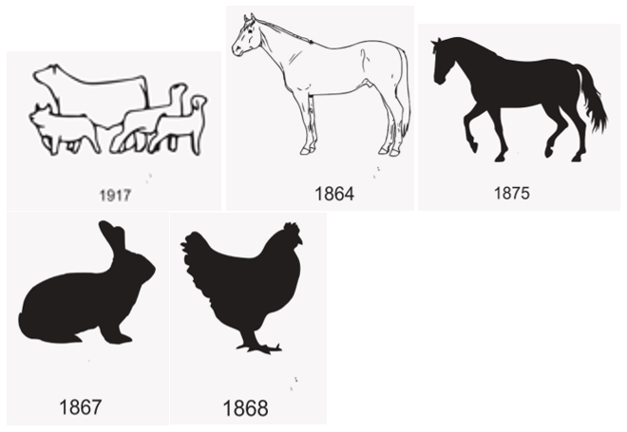
1884 GOATS |  | 26 (ss of new jersey)
1863 GOAT |  | 27 (ss of new mexico)
1851 SHEEP |  | 28 (ss of new york)
1883 SHEEP |  | 29 (ss of nevada)
1917 ANIMAL GROUP |  | 30 (ss of north carolina)
 |  | 31 (ss of north dakota)
Decorative Ribbon Dies |  | 32 (ss of ohio)
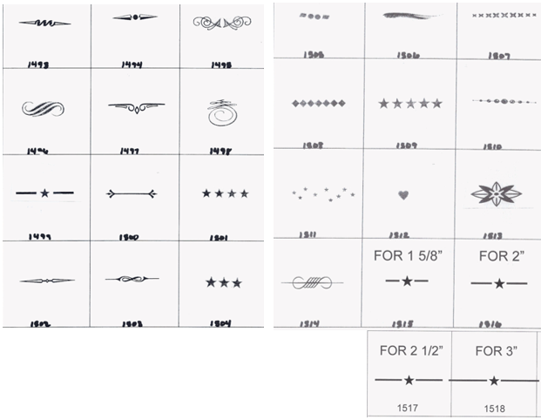
1493 |  | 33 (ss of oklahoma)
1494 |  | 34 (ss of oregon)
1495 |  | 35 (ss of pennsylvania)
1496 |  | 36 (ss of rhode island)
1497 |  | 37 (ss of south dakota)
1498 |  | 38 (ss of tennessee)
1499 |  | 39 (ss of texas)
1500 |  | 40 (ss of utah)
1501 |  | 41 (ss of vermont)
1502 |  | 42 (ss of virginia)
1503 |  | 43 (ss of virgin islands)
1504 |  | 44 (ss of washington)
1505 |  | 45 (ss of west virginia)
1506 |  | 46 (ss of wisconsin)
1507 |  | 47 (ss of wyoming)
1508
1509
1510
1511
1512
1513
1514
1515
1516
1517
1518
Decorative Line
Straight Line

